Mozport Current
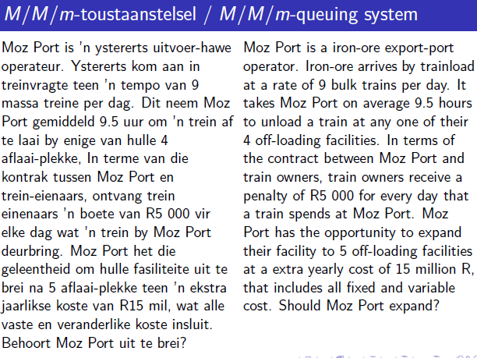
lambda | 9 | trains per day (arrival rate) | assume: | 24 | hours per day
mu | 2.53 | trains per day (service rate) |  | 365.25 | days per year
m | 4
mmu | 10.105263158
Ls | 3.5625
rho | 0.890625 | <1?
 |  |  | Sum for P0 | 18.443725586
Lq | 6.26095 | trains | n | sumterms
Ls | 3.56250 | trains | 0 | 1
L | 9.82345 | trains | 1 | 3.5625
Wq | 0.69566 | days | 2 | 6.345703125
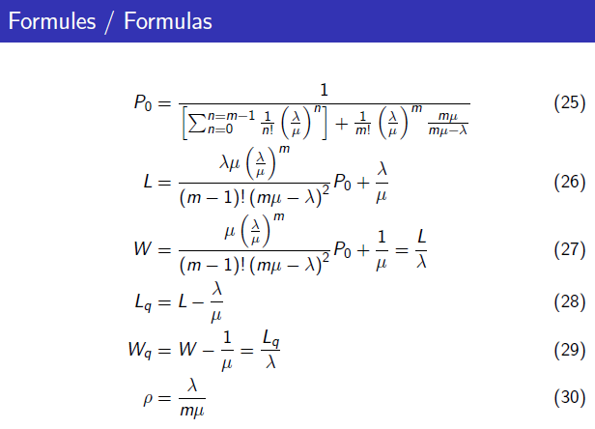
Ws | 0.39583 | days | 3 | 7.5355224609
W | 1.09149 | days
rho
P0 | 0.01253

annual penalties:
lambda | 9
W | 1.0914942547 | days
penalty | R5,000.00 | per day
days | 365.25 | days

 | current | proposed
Facilities: | 4 | 5
annual penalties: | R17,940,072.44 | R8,307,441.96

savings | R9,632,630.49
extra cost | R15,000,000.00
annual net gain= | -R5,367,369.51

Annual cost of proposed system outweighs savings of the proposed system - so, not worthwhile to expand current offloading facilities.

